Sheet1
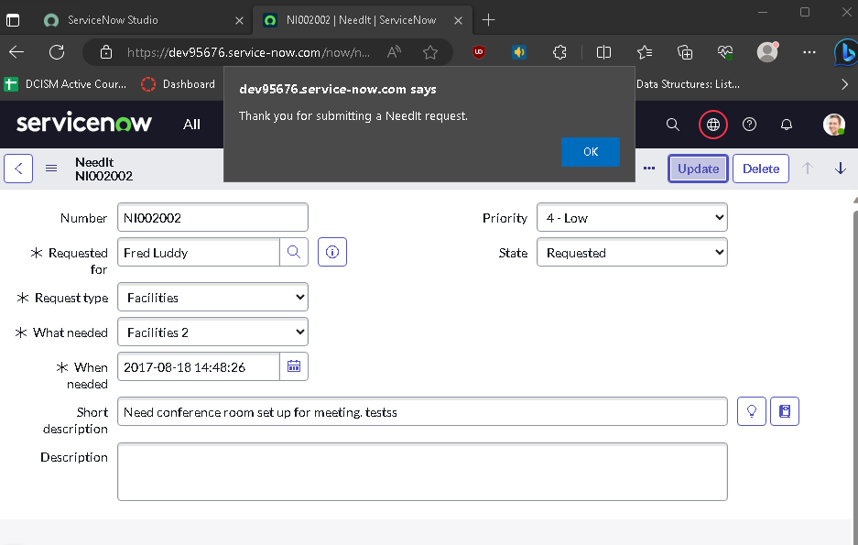
Name: | YEVGENY GRAZIO MARI ALBANO | Exercise/Laboratory: | Exercise 05 Client-Side Scripting
Block/Section: | IT 5108 | Date: | 09 / 25 / 2023
Github Repository Link:
Created Branch “ClientScriptsModule”

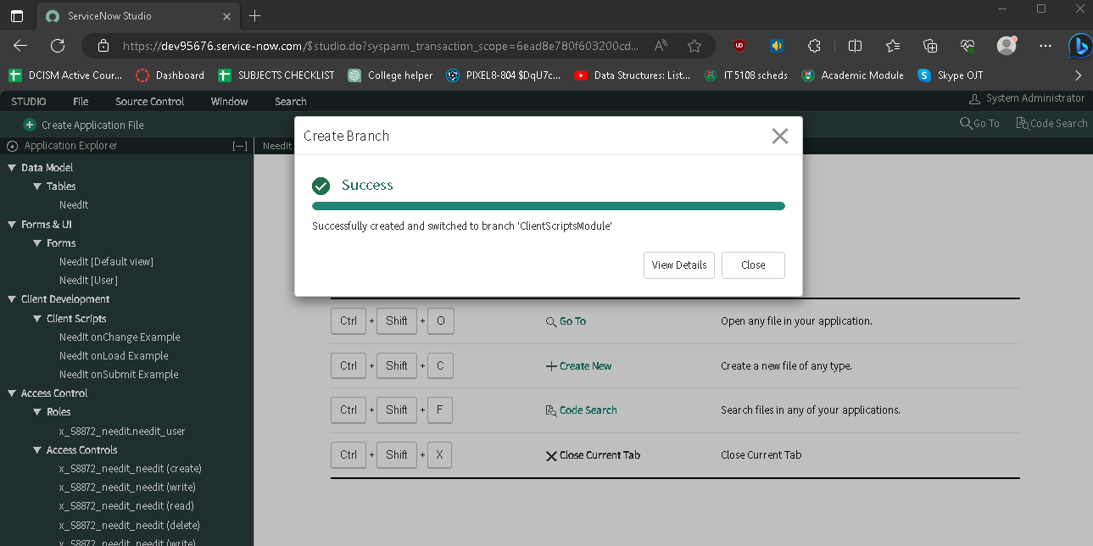

Activated onChange, onLoad, onSubmit Examples

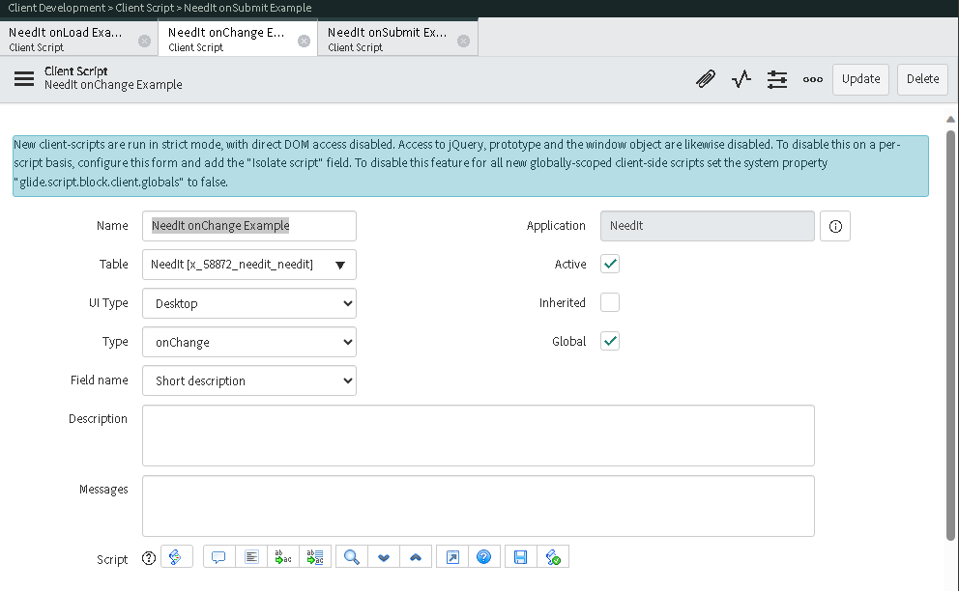

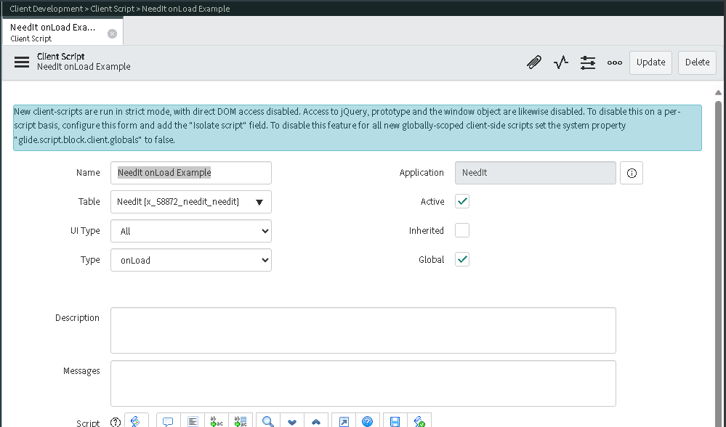

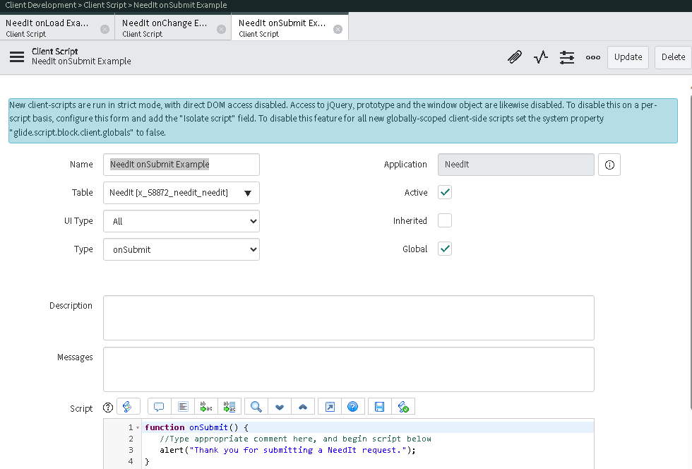
Alert Showing when clicking outside the form

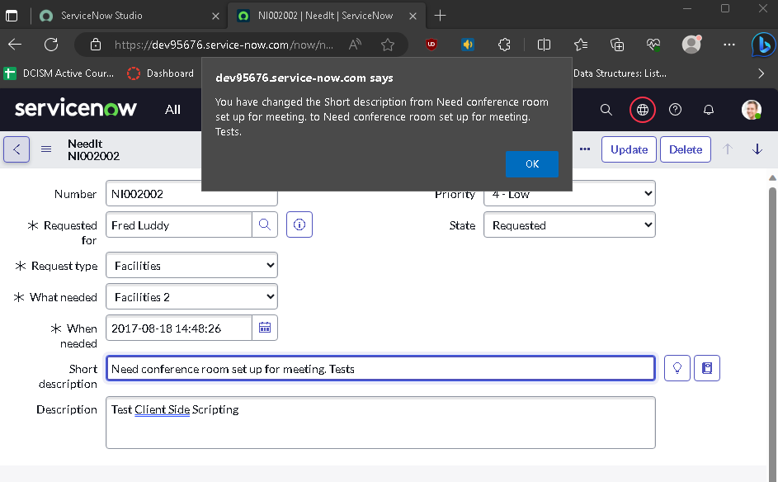

Alert showing “thank you for submitting”

